Instructions
Completing the Form

To begin self-evaluvation building owners are required to fill out the form within the New Construction Sheet.
Allocate the appropriate measures by selecting a viable answer from the drop-downs within Measures.
Upon completion the user will given the rating their facility is eligible for.

LEED Information
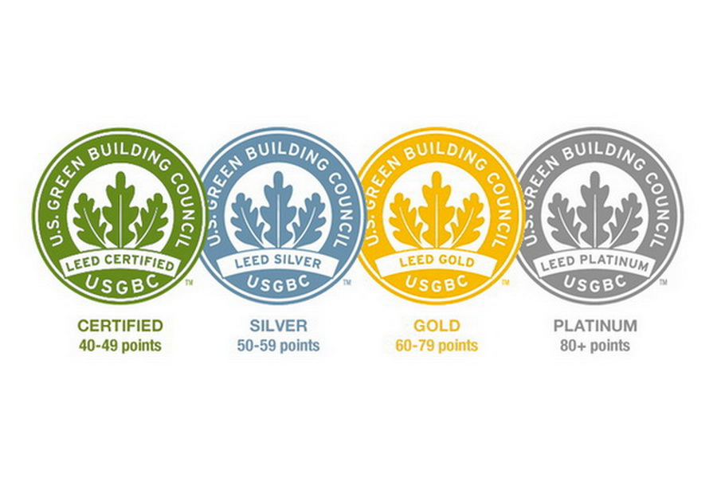
LEED Self-Evaluvation

A framework designed for builder owners and designers to assess their facilities eligeability for LEED
The Self-evaulvation sheet has been designed for building owners to gain an insight into the LEED certification rating system.
By selecting the options relevant options available building owners can view the level of certification their facility is eligible for.
Please note this is not a guaranteed score. Variations should be expected during actual implementation.

Available Ratings

